Coal Gas Exp Shares
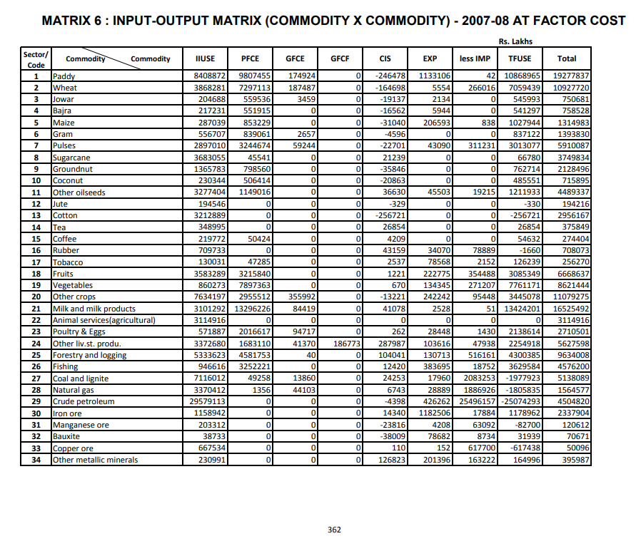
 | Coal | Oil/Gas
ISIC Code | ISIC 05 | ISIC 06
Government (GFCE) | 0.24 | 0.76
Households (PFCE) | 0.97 | 0.03
Exports (EXP) | 0.038 | 0.962

